ASH Reactor 7 Divisions
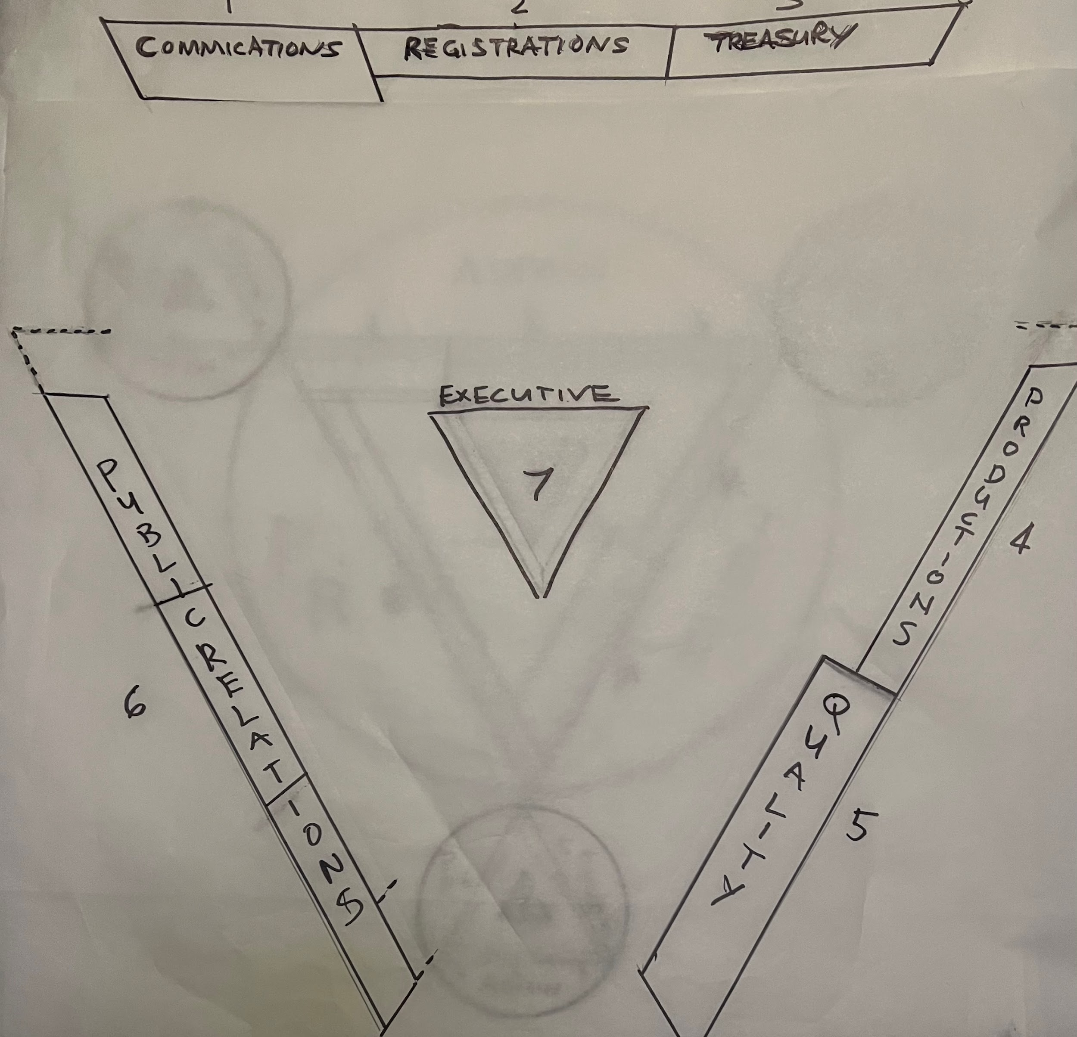
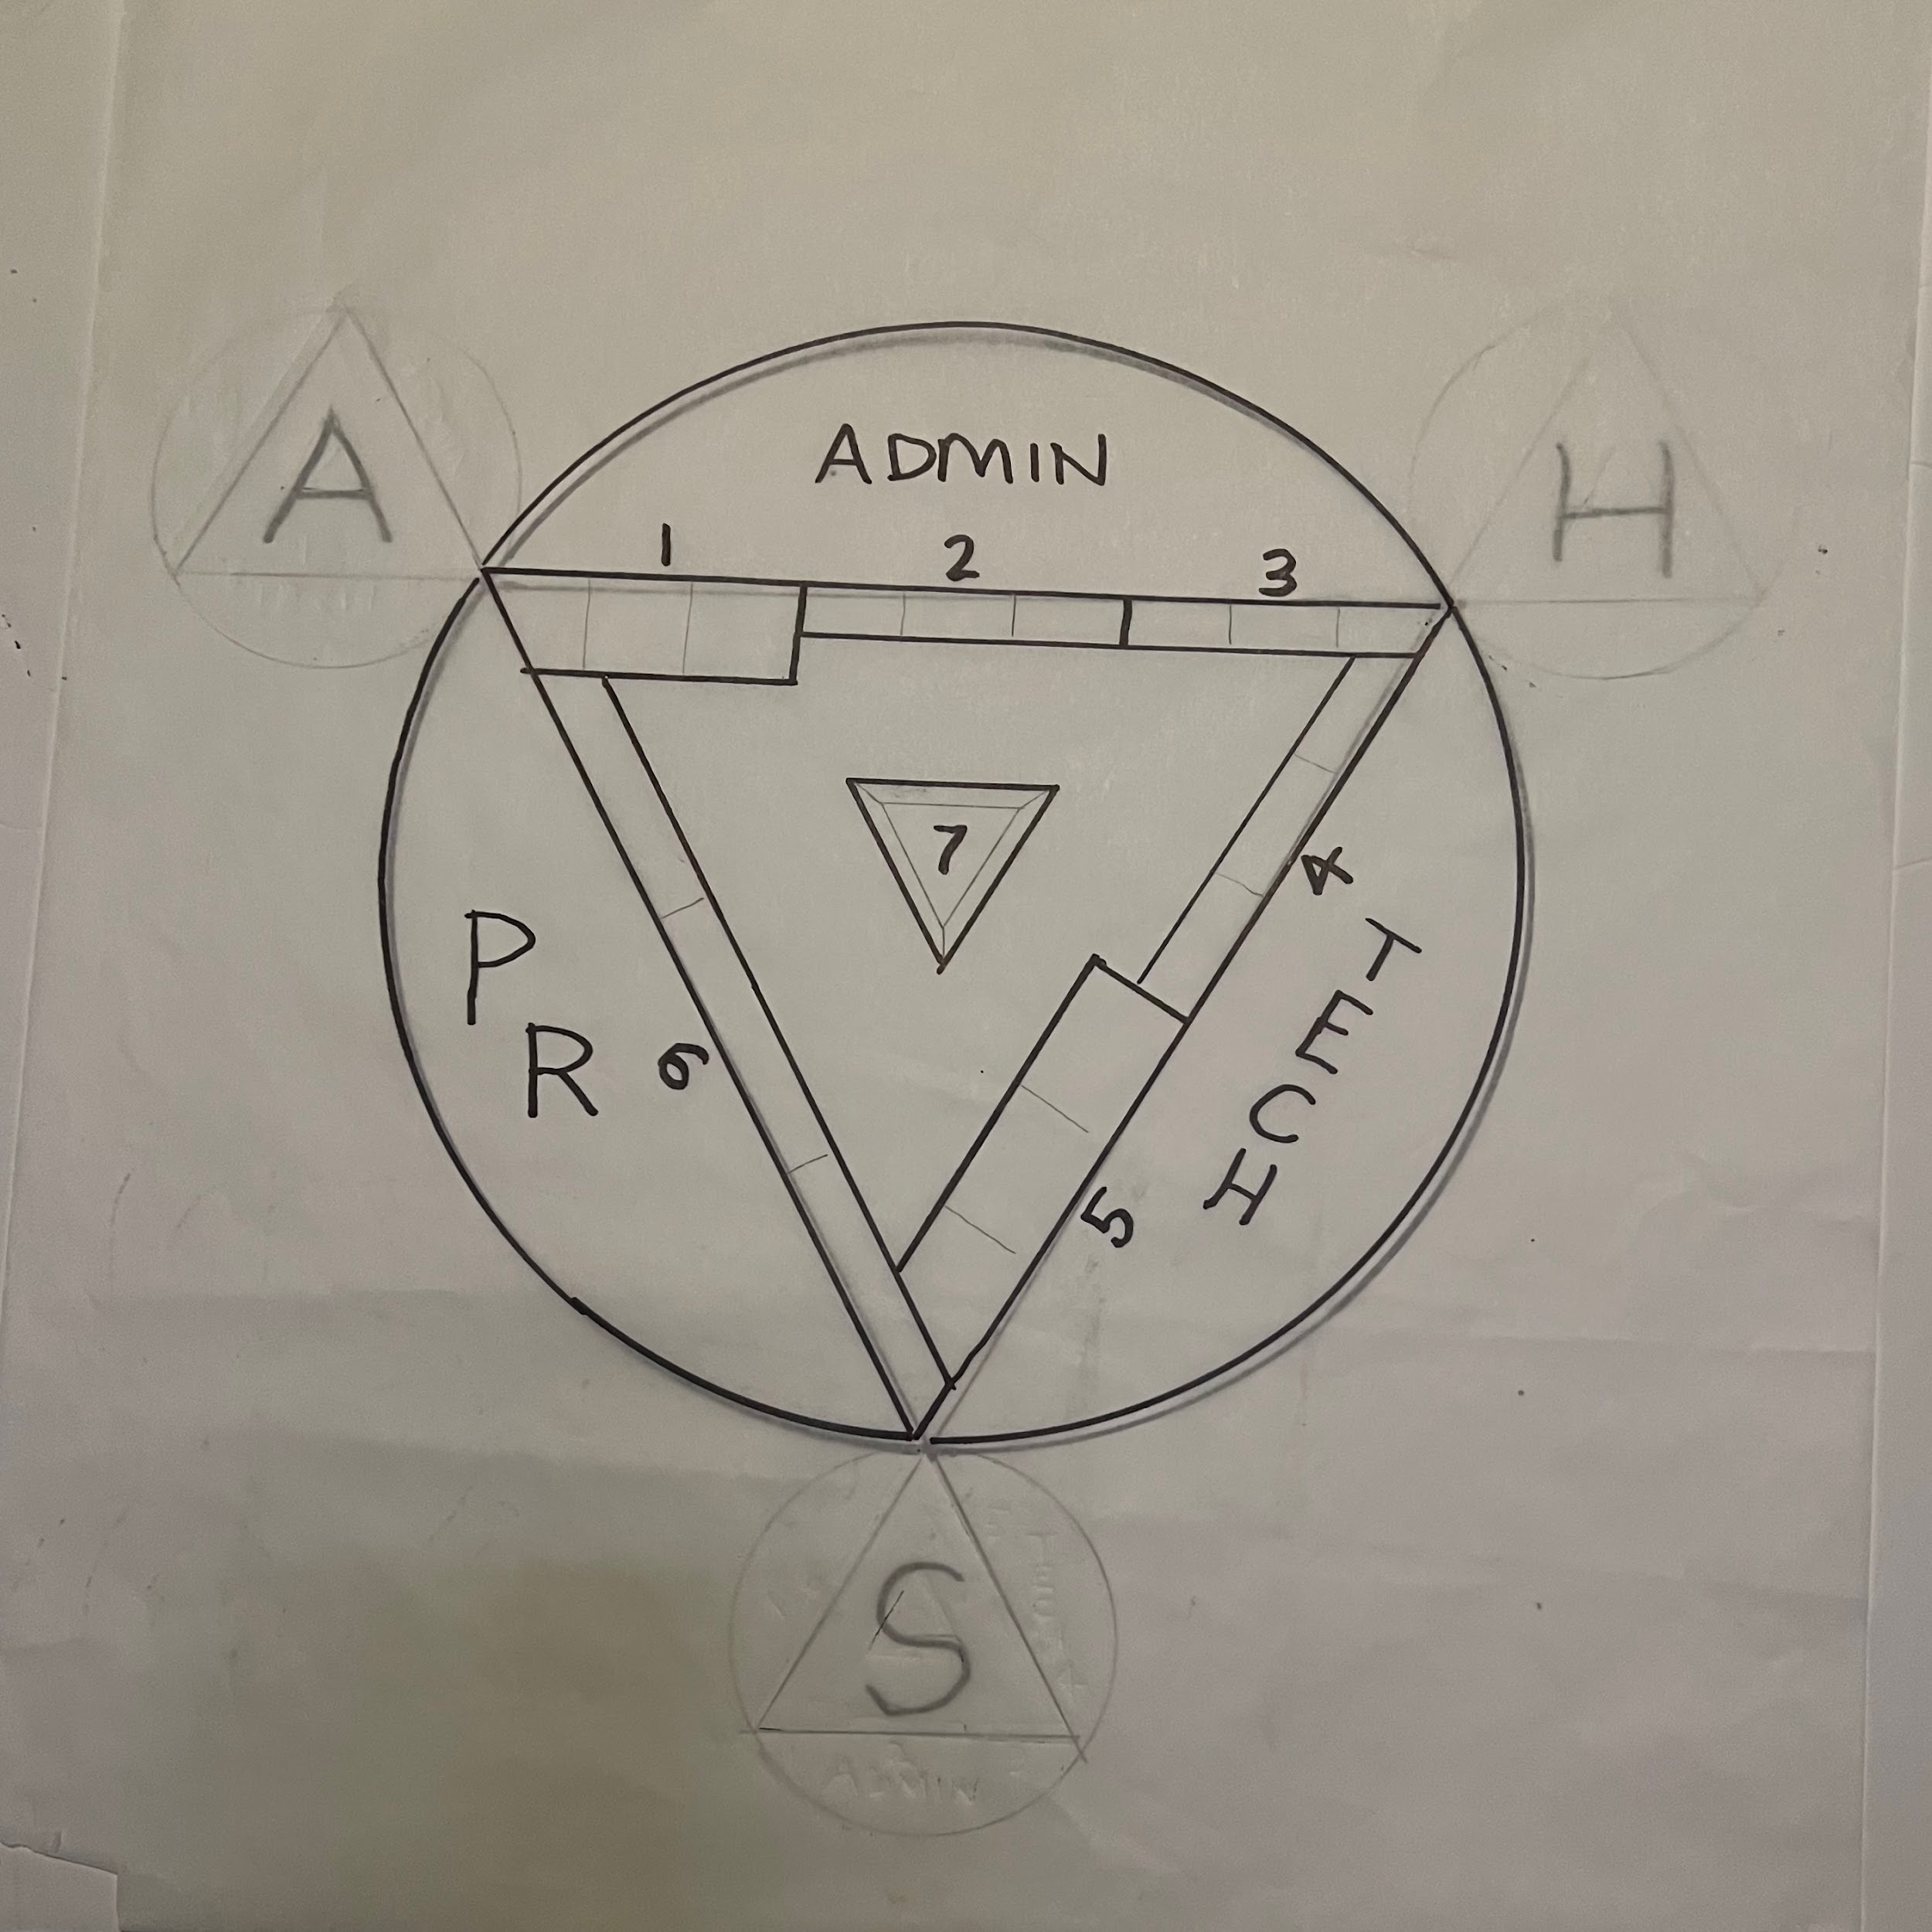
 |  |  |  | COMMUNICATIONS |  |  |  |  |  |  |  |  |  |  |  | QUALITY
 | EXECUTIVE |  |  | Division 1 |  |  | REGISTRATIONS |  |  | TREASURY |  |  | PRODUCTIONS |  |  | Division 5 |  |  | PUBLIC RELATIONS
 | Division 7 |  |  |  |  |  | Division 2 |  |  | Division3 |  |  | Division 4 |  |  |  |  |  | Division 6
CONDITIONS | EXISTENCE | SOURCE | RECOGNITION | COMMUNICATIONS | PERCEPTIOIN | ORIENTATION | UNDERSTANDING | ENLIGHTENMENT | ENERGY | ADJUSTMENT | BODY | PREDICTION | ACTIVITY | PRODUCTION | RESULT | CORRECTION | ABILITY | ACCEPTABILITY | PARTICIPATION | CONTROL
Dept 19 | Dept 20 | Dept 21 | Dept 1 | Dept 2 | Dept 3 | Dept 4 | Dept 5 | Dept 6 | Dept 7 | Dept 8 | Dept 9 | Dept 10 | Dept 11 | Dept 12 | Dept 13 | Dept 14 | Dept 15 | Dept 16 | Dept 17 | Dept 18
Office of Executive Director | Office of Corporate Affairs | Office of the Founder | Routing and Personel | Communications Office | Inspections and Reports | Promo and Marketing | Publications ASH Events Planning | Office of Registrar | Income | Disbursements | Rercords Assets and Materials | Guild Production Services | Guild Technical Developement | Guild Technical Exicution | Guild Examinations for Quality | Review of Safety | Guild Certifications | Public Information | Public Services | Success!!!!!

